SCRIPT
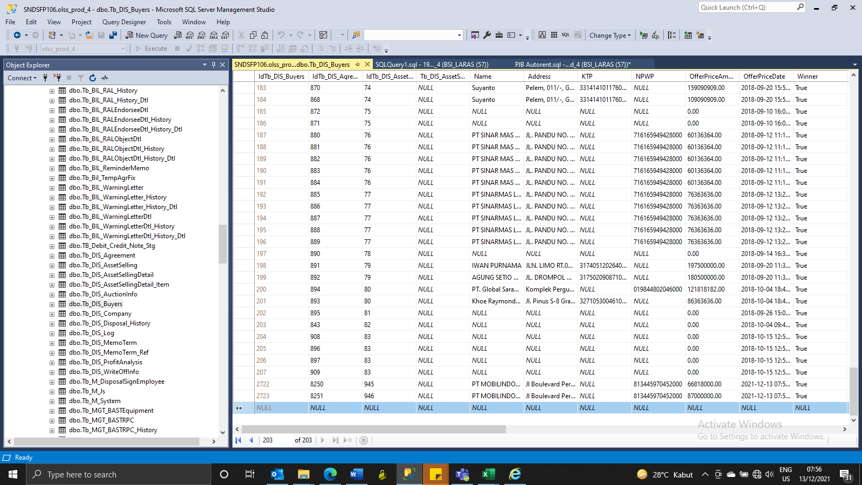
Insert TB_DIS_BUYERS

SCREENSHOOT
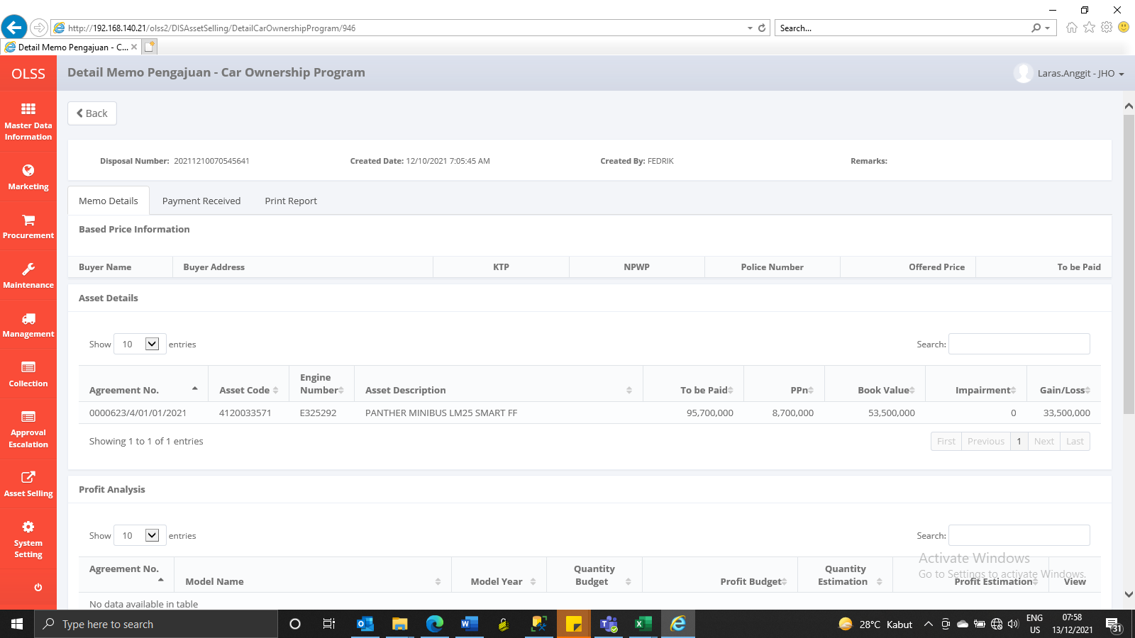
MEMO 00242/COP/12/2021
BEFORE


AFTER


MEMO 00243/COP/12/2021
BEFORE


AFTER

